1. Title Page
Instacart Grocery Basket Analysis

Project Name: Instacart Grocery Basket Analysis
Date: 28.08.2025
Analyst Name: Monika Kaniewska

Contents:
Population Flow
Consistency checks
Wrangling steps
Column derivations
Visualizations
Recommendations

Reference: “The Instacart Online Grocery Shopping Dataset 2017”, Accessed from www.instacart.com/datasets/grocery-shopping-2017 via Kaggle on 02.09.2025.

2. Population Flow
 | Title page

Population flow

Exclusion flag
Condition: max_order < 5
Obervations to be removed: 1440341
Final total count of order_products_all: 30964518

Orders_products_combined
Orders_products_merged
Orders_products_all

Total:
Total:
Total: 30964518
32404859
32434489
1.) The grey boxes in the first row of the population flow represent the original data sets as they were when you downloaded them. In the Total fields you need to add the count of the rows when you imported the data set into Jupyter.
2.) The second row of boxes (coloured) represents the data sets after you manipulated them, e.g., removed missing values and duplicates. In the Total fields you need to add the count of the rows after conducting these operations. This offers a visual oveview of how the data flows throughout the data consistency checks.
3.) The third row, where also the arrows are coloured, represents the merges you performed between the datasets. In the Total fields you need to add the count of the rows in the merged datasets, so that you end up with the final dataset (in the red box). Keep in mind the final dataset should be without exclusions (based on the exclusion flag).

3. Consistency checks
 |  |  |  | Title page
Consistency checks

Dataset | Missing values | Missing values treatment | Duplicates
orders | days_since_prior_order = 206209 | *keeping them | 0
products | product_name = 16 | I decided to drop them | 5
orders_products_prior | 0 | 0 | 0
customers | first_name = 11259 | keeping them | 0

* Missing values in days_since_prior_order are appropriate for first-time orders, as there were no previous purchases.

4. Wrangling steps
 |  |  |  | Title page
Wrangling steps

Columns dropped | Columns renamed | Columns' type changed | Comment/Reason
eval_set - from orders.csv |  |  | Redundant column for analysis
 | order_dow' : 'orders_day_of_week' - orders.csv |  | Unclear column name
 |  | order_id - to string - orders.csv | Redundant for numerical summary statistics
 |  | user_id - to string - orders.csv | Redundant for numerical summary statistics
 |  | order_number - to string - orders.csv | Redundant for numerical summary statistics
 | order_number': 'purchase_sequence' - orders.csv |  | Unclear column name
 | Gender':'gender' - customers.csv |  | Renamed for consistency
 | STATE':'state' - customers.csv |  | Renamed for consistency
 | Age':'age' - customers.csv |  | Renamed for consistency
 | fam_status':'family_status' - customers.csv |  | Renamed for consistency
 | First Name':'first_name' - customers.csv |  | Renamed for consistency
 | Surnam':'surname' - customers.csv |  | Renamed for consistency
first_name' - customers.csv |  |  | Removed due to PII
surname' - customers.csv |  |  | Removed due to PII

5. Column derivations
 |  |  |  | Title page

Column derivations and aggregations

In this tab you should add tables below that the frequences of flags/label variables that you produced after deriving them. NB: don't do this for continuous variables, only for flags.
customer profile
family 10329122
NaN 8331504
wealthy_professional 3547815
single_adult 3252304
young_parent 2811259
budget_conscious_family 1802473
retired 796981
pet_owner 93060
Dataset | New column | Column/s it was derived from | Conditions
Orders_products_merged | price_range_loc | prices | If the item’s price is lower than or equal to $5 then “low-range product.” If the item’s price is above $5 but lower than or equal to $15, then “mid-range product.” If the item’s price is above $15, then “high-range product.
Orders_products_merged | Busiest_days | orders_day_of_week | If the day value is 0 or 1 (Saturday or Sunday), then “Busiest days” If the day value is 3 or 4 (Tuesday or Wednesday), then “Least busy days” Otherwise, “Regular busy"
Orders_products_merged | busiest_period_of_day | order_hour_of_day | If the order hour is between 10 and 16 (inclusive), it's labeled as 'Most orders'. If the hour is between 0 and 5, it's labeled as 'Fewest orders'. All other hours are labeled as 'Average orders'
exclusion_flag
no 30964518
yes 1440341
Orders_products_merged | max_order | purchase_sequence | Max_order column indicates the maximum purchase_sequence for each user_id
order frequency
Frequent customer 21204476
Regular customer 6865113
Non-frequent customer 2894929
Orders_products_merged | loyalty_flag | max_order | If the max_order value is greater than 40, then “Loyal customer”. If the max_order value is greater than 10 and less than or equal to 40, then “Regular customer”. Otherwise, “New customer”.
Orders_products_merged | average_price | prices | The average_price column indicates the average product price for each user_id.
spender type
Low spender 30361095
High spender 603423
Orders_products_merged | spender type | average_price | If the average_price is less than 10, then “Low spender”. If the average_price is 10 or more, then “High spender”.
Orders_products_merged | median_days_since_prior_order | days_since_prior_order | The median_days_since_prior_order column indicates the median amount of days between orders for each user_id.
loyalty_flag
Regular customer 15876776
Loyal customer 10284093
New customer 4803649
busiest_period_of_day
Most orders 17817230
Average orders 12579957
Fewest orders 567331
Orders_products_merged | order frequency | median_days_since_prior_order | If median_days_since_prior_order is greater than 20, then “Non-frequent customer”. If median_days_since_prior_order is greater than 10 and less than or equal to 20, then “Regular customer”. If median_days_since_prior_order is 10 or less, then “Frequent customer”.
df_ords_prods_cust | order count | order_id | Order_count column indicates the total number of unique orders placed by each user_id.
Busiest_days
Regular busy 12349710
Busiest days 11320289
Least busy days 7294519
df_ords_prods_cust | exclusion_flag | order_count | If order_count is less than 5, then “yes” in exclusion_flag. If order_count is greater than or equal to 5, then “no” in exclusion_flag.
price_range_loc
Mid-range product 20891735
Low-range product 9674830
High-range product 397953
Region
South 10311112
West 7927227
Midwest 7261503
Northeast 5464676
df_ords_prods_cust | state | Region | Northeast:Maine, New Hampshire, Vermont, Massachusetts, Rhode Island, Connecticut, New York, Pennsylvania, New Jersey Midwest:Wisconsin, Michigan, Illinois, Indiana, Ohio, North Dakota, South Dakota, Nebraska, Kansas, Minnesota, Iowa, Missouri South:Delaware, Maryland, District of Columbia, Virginia, West Virginia, North Carolina, South Carolina, Georgia, Florida, Kentucky, Tennessee, Mississippi, Alabama, Oklahoma, Texas, Arkansas, Louisiana West:Idaho, Montana, Wyoming, Nevada, Utah, Colorado, Arizona, New Mexico, Alaska, Washington, Oregon, California, Hawaii. If the state is in the northeast list, then "Northeast" in Region. If the state is in the midwest list, then "Midwest" in Region. If the state is in the south list, then "South" in Region. If the state is in the west list, then "West" in Region.
df_ords_prods_cust | customer profile | age, n_dependants, income, department_id | Young Parent If age is less than or equal to 30 and number of dependants is 1, 2, or 3, then "young_parent" in customer profile. Single Adult If age is greater than 18 and less than or equal to 60 and number of dependants is 0, then "single_adult" in customer profile. Retired If age is greater than or equal to 60 and number of dependants is 0, then "retired" in customer profile. Family If age is between 25 and 60 (inclusive), income is greater than or equal to 60,000, and number of dependants is 1, 2, or 3, then "family" in customer profile. Budget-Conscious Family If age is between 25 and 60 (inclusive), income is less than 60,000, and number of dependants is 2 or 3, then "budget_conscious_family" in customer profile. Wealthy Professional If age is greater than or equal to 20, income is greater than 100,000, and number of dependants is 0, then "wealthy_professional" in customer profile. Pet Owner If age is greater than or equal to 18, income is less than 800,000, number of dependants is 0, 1, 2, or 3, and department ID is 8, then "pet_owner" in customer profile.

6. Visualizations
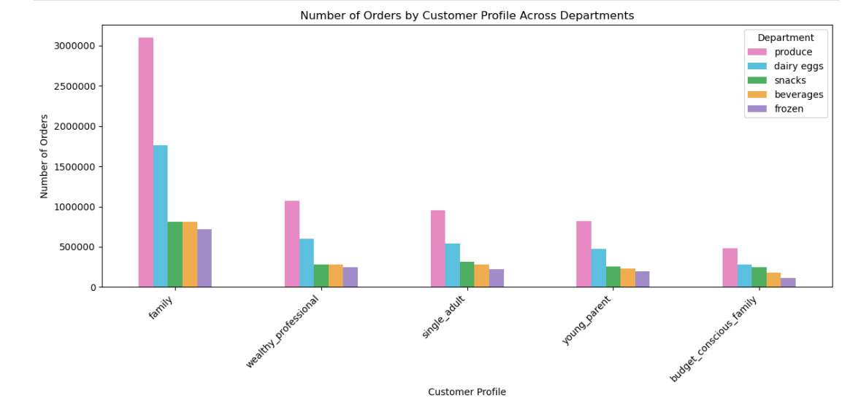
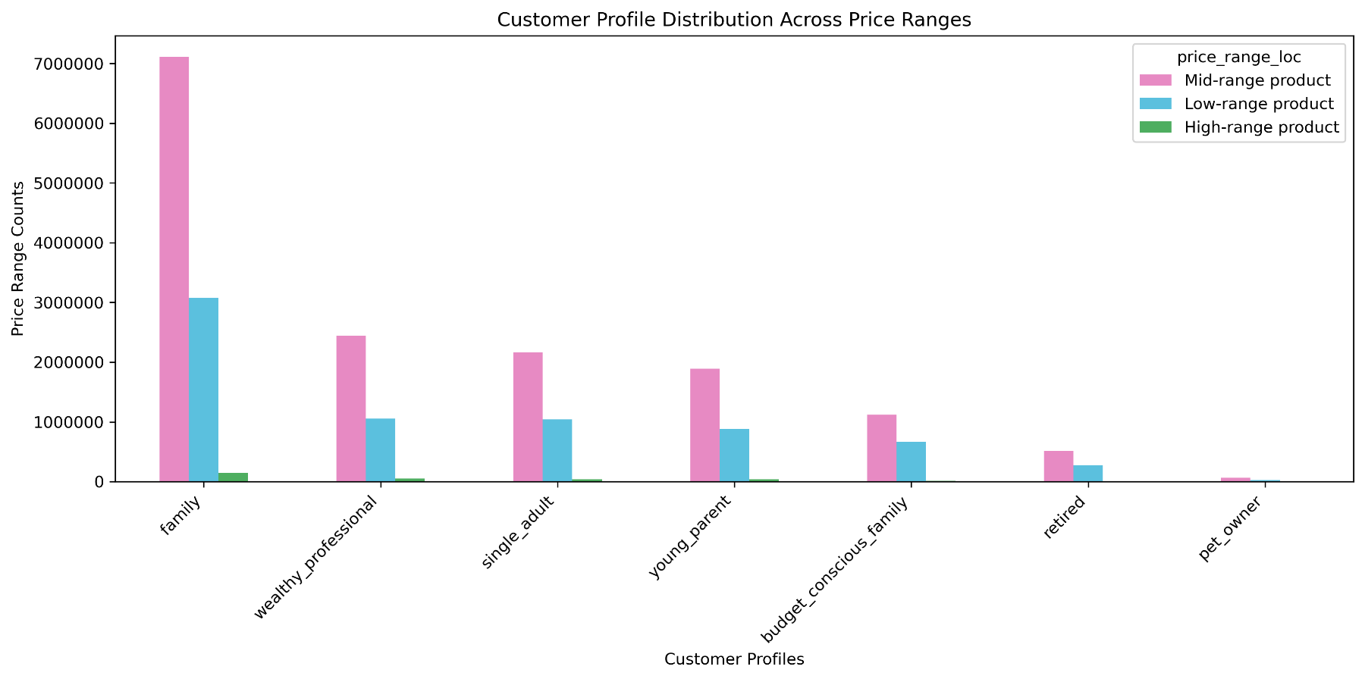
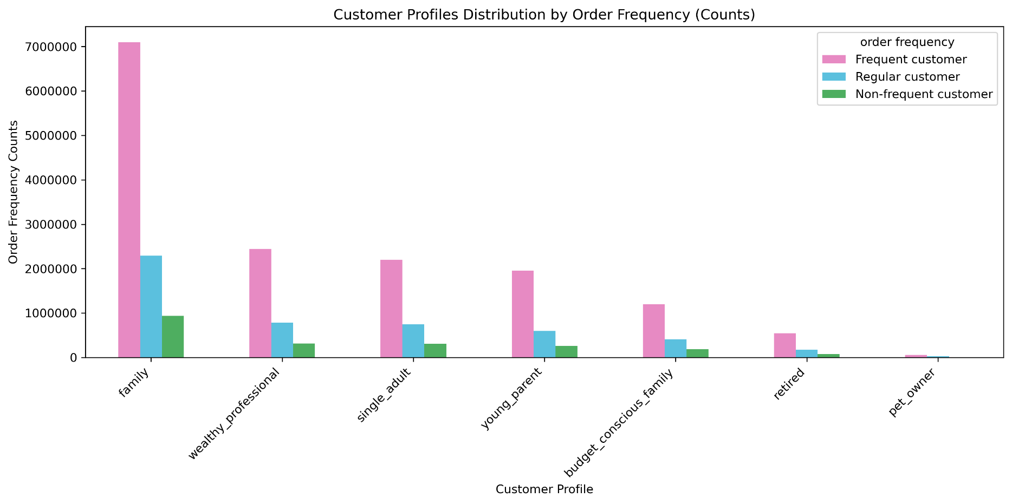
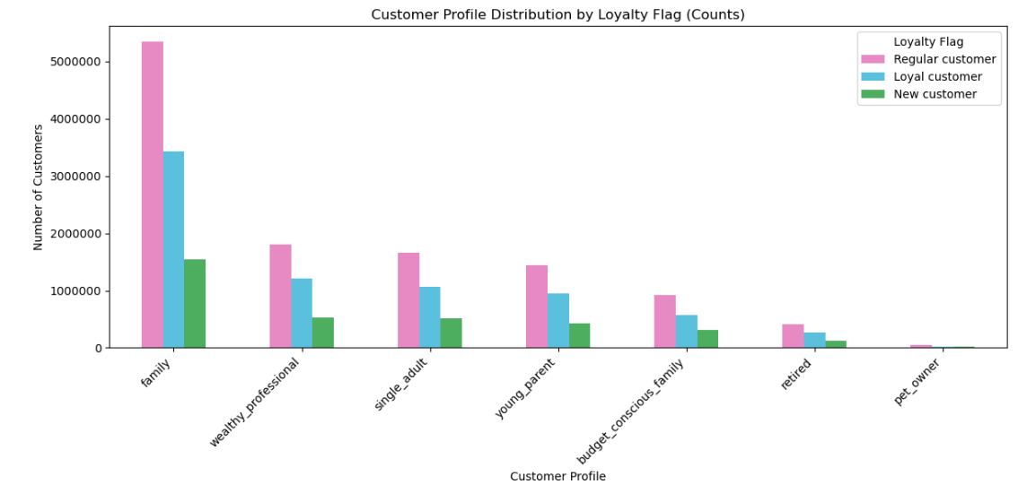
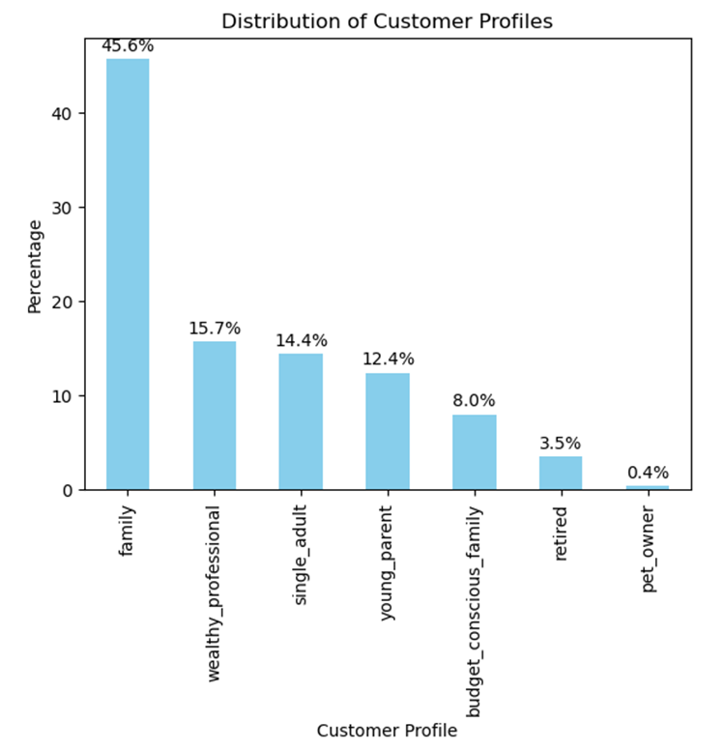
 | Title page

Visualisations

In this tab you should include all the visualtions from Exercises 4.9 and 4.10, alongside the questions from the project brief that they answer. Include any commentary on the relationship between different variables.

The sales team needs to know what the busiest days of the week and hours of the day are (i.e., the days and times with the most orders) in order to schedule ads at times when there are fewer orders.
Key Question 1

Comment: The first chart demonstrates the distribution of orders from Saturday (0) to Friday (6). The histogram on the right shows the distribution of orders by hour of a day.




Key Question 2
They also want to know whether there are particular times of the day when people spend the most money, as this might inform the type of products they advertise at these times.

Comment: The line plot shows the average price by hour of a day.

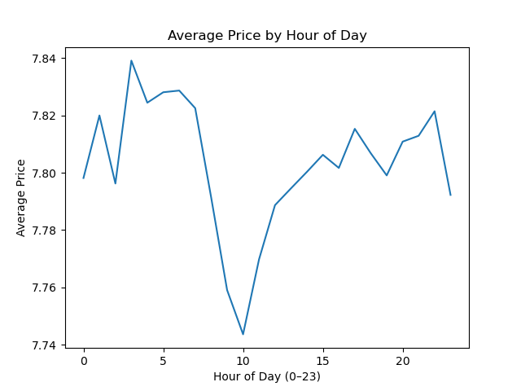

Key Question 3

Instacart has a lot of products with different price tags. Marketing and sales want to use simpler price range groupings to help direct their efforts.

The bar chart illustrates the distribution of products across three price range categories—low-range products (priced at $5 or less), mid-range products (priced over $5 up to $15), and high-range products (priced above $15).

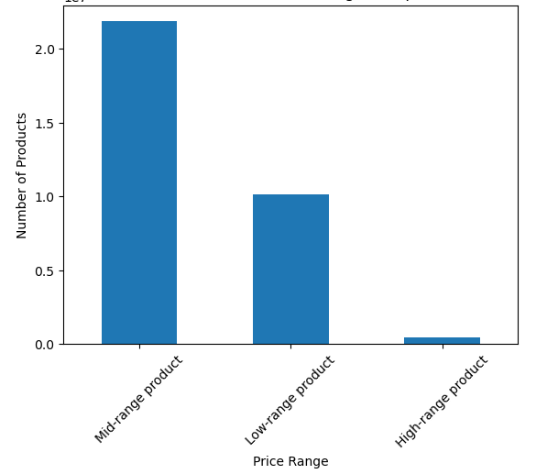

Key Question 4

Are there certain types of products that are more popular than others? The marketing and sales teams want to know which departments have the highest frequency of product orders.

The bar chart illustrates the percenage distribution of orders per department.

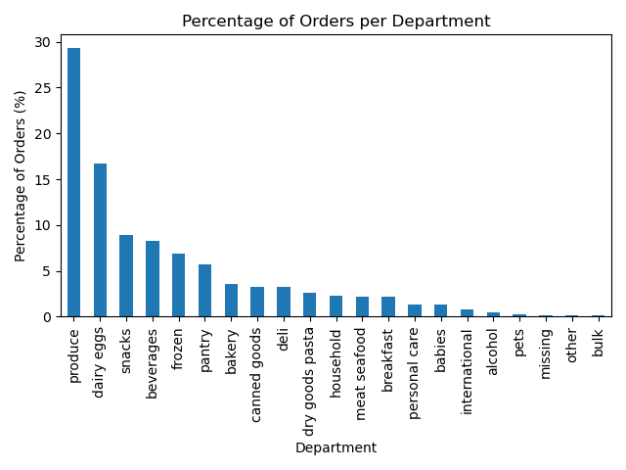

Key Question 5

What’s the distribution among users in regards to their brand loyalty (i.e., how often do they return to Instacart)?

The bar chart illustrates the distribution of users based on their brand loyalty—that is, how frequently they return to shop on Instacart.

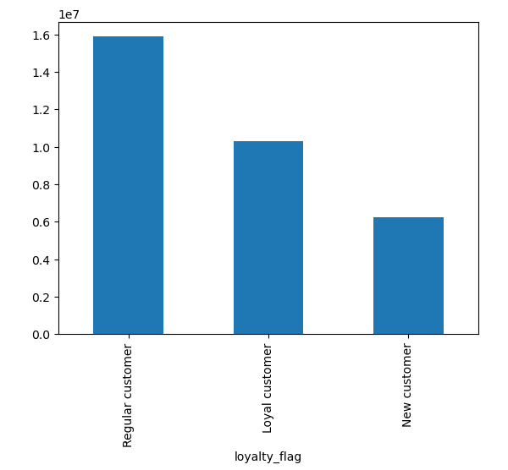

Key Question 6
Are there differences in ordering habits based on a customer’s region?

The first chart represents the disctribution of customer profiles in different regions. The second chart illustrates the distribution of spender type across the regions.

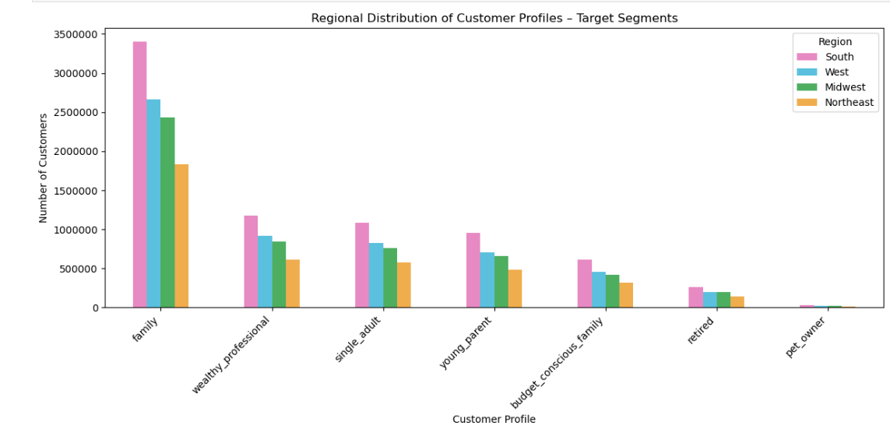
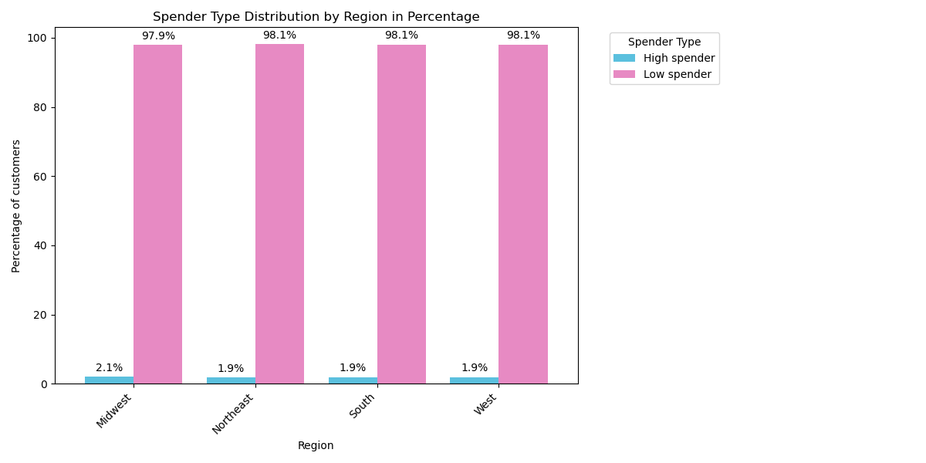

Key Question 7

What differences can you find in ordering habits of different customer profiles? Consider the price of orders, the frequency of orders, the products customers are ordering, and anything else you can think of.

The first chart represent the customer profile distribution by top 5 departments. The second bar chart illustrates customer profile distribution in relation to price ranges. The third bar chart shows, customer profiles in regards to the frequency of orders. Lastly, the bar chart at the end, shows the general distribution of customer profiles.

7. Recommendations
 |  | Title page

Recommendations

In this tab you should include any recommendations you would made to Instcart in terms of their marketing strategy based on the questions posed in the brief. Every key question has been covered in the Tasks of the Exercises - here you need to add an item - a visualisation or table/crosstable that is showing the answer in the data, acompanied by a comment from you. Please, list the questions below and add the answer underneath.

Question | Answer

Q1. The sales team needs to know what the busiest days of the week and hours of the day are (i.e., the days and times with the most orders) in order to schedule ads at times when there are fewer orders. | The busiest days of the week are Friday, Saturday, and Sunday, with peak order times between 9:00 AM and 4:00 PM. Therefore, ads should be scheduled before 8:00 AM or after 5:00 PM on weekdays, when order volumes are lower.

Q2. They also want to know whether there are particular times of the day when people spend the most money, as this might inform the type of products they advertise at these times. | Customer spending per item stays fairly consistent throughout the day, with a slight increase in the early morning and late afternoon, and decline around 10. Therefore, Instacart should promote premium or higher-margin products during these times.

Q3. Instacart has a lot of products with different price tags. Marketing and sales want to use simpler price range groupings to help direct their efforts. | The majority of Instacart’s products fall within the mid-range price category, followed by low-range products, while high-range products make up the smallest portion. Thus, to reach the largest customer base, marketing efforts should primarily focus on mid-range products, then low-range, and lastly high-range products.

Q4. Are there certain types of products that are more popular than others? The marketing and sales teams want to know which departments have the highest frequency of product orders. | There are certain types of products that are more popular, namely produce, dairy & eggs, snacks, beverages, and frozen. Therefore, marketing efforts should focus particularly on these departments. However, targeted campaigns could also be developed to boost lower-performing categories such as pantry, bakery, canned goods, and deli.

Q5. What’s the distribution among users in regards to their brand loyalty (i.e., how often do they return to Instacart)? | The largest group of users are regular customers, followed by loyal customers, with new customers making up the smallest segment. Thus the company should mainly focus on retaining regular customers and encouraging them to become loyal users through loyalty programs or personalized offers.

Q6. Are there differences in ordering habits based on a customer’s region? | There are minimal differences in ordering habits across regions. In all regions, about 98% of customers are high spenders, with only 2% classified as low spenders. Additionally, families are the dominant customer profile, followed by wealthy professionals, single adults, and young parents. This consistency suggests, that marketing strategies can be standardized with a focus on high spenders and families.

Q7. What differences can you find in ordering habits of different customer profiles? Consider the price of orders, the frequency of orders, the products customers are ordering, and anything else you can think of. | Across all customer profiles, the top departments ordered are consistently produce, dairy and eggs, snacks, and beverages. The largest customer groups are families, wealthy professionals, single adults, and young parents. Most customers primarily purchase mid-range and low-range products, with budget-conscious families and retirees rarely buying high-range items. Regarding order frequency, families, wealthy professionals, single adults, and young parents are the most frequent customers. Frequent customers also make up the largest share in other profiles, followed by regular and non-frequent customers. Marketing efforts should focus on the top-performing customer profiles such as families, wealthy professionals, single adults, and young parents, prioritizing popular departments like produce, dairy and eggs, snacks, and beverages. Campaigns should highlight mid-range and low-range products to align with typical spending habits. For budget-conscious families and retirees, targeted promotions on affordable products can help boost engagement. Additionally, introducing loyalty programs and personalized offers could increase purchase frequency across all customer groups.

